Introduction
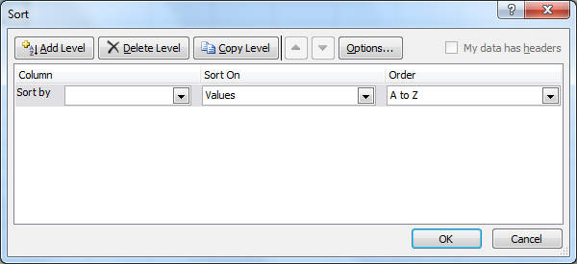
Arrange The Data so That It Is Easier To Analyse

Step 1: Click in first Cell of Data Range. Step 2: Click on HOME - Sort & Filter -- Custom Sort. Step 3: Select The Column Name ( In Sort By) -- Specify The Order -- Ok

To Sort By Months ---- In Order -- Select -- Custom List -- Select Month Names

To Sort By Multiple Columns ---- After Selecting 1 column and Order -- Click on Add Level

To Sort By Our Own Order ---- In Order -- Select -- Custom List-- Type The List and Add the List

To Sort By Cell Color -- Select -- Any column In Sort By --- Select Cell color in Sort On -- Select a Color Under Order

The Formula To Find the Frequency =COUNTIF($C$2:$C$25,C2)

